Sheet1
TestcaseID | Category | Description | Prerequisites | Test Procedure | Input Data | Expected Results | Pass/Fail | Image Reference
1 | Add items to the cart | Add valid item to cart | Cart is empty | 1. Call add item function with valid item data 2. Check if the item has been added to the inventory | Item name :carrot, quantity:5kg | Item should be successfully added to the cart | Pass | reference 1
2 | Add items | Add item with duplicate name | Cart contains one item named Carrot, quantity:5kg | 1. Call add item function with an item name that already exists in the Cart 2. Check if the Array updates the quantity of the duplicate item 3. table should update the total price of the order | item name: Carrot, quantity:10kg | quantity of carrot should be 15kg and cost of the carrots should be 128 *15 = 1920 | Pass | reference 2
3 | Add items | Add item with negative quantity | Cart contains one item named Carrot, quantity:15kg | 1. Call add item function with a negative quantity for the item 2. Check if the function throws an exception | Item Name: Carrot, Quantity: -15 | Exception message: "Invalid quantity for item" | Pass | reference 3
4 | Add items | Add item with empty name | None | 1. Call add item function with an empty name for the item 2. Check if the function throws an exception | Item Name: "", Quantity: 10 | Exception message: "Item name cannot be empty" | Pass | reference 4
9 | Update items | Test taking items with negative quantity |  | 1. Select the item to take from inventory. 2. Enter a negative quantity. 3. Verify if the system throws an error. | Product Name: Cabbage, Quantity: -1 | The function should throw an exception indicating that the item does not exist | Pass | reference 5
10 | Delete the cart from the Local storage | Test if the function is able to delete cart | Cart consists of items | Call the function to delete the cart and the favourite when the reset button is clicked | existing local storage cart | Item should be successfully deleted from the inventory | Pass | reference 6
11 | Adding cart to the favourites | Test if the function is able to add items to the favourite in the local storage | An item does not exist in the inventory with the given ID | Call the function of add to Favourite to save the cart in the local storage | clicking the add to favourite button | The function should throw an message saying that the cart is saved to the favourites | Pass | reference 7
12 | loading the cart to the checkout page | testing the fuction to load the cart in checkout page | Cart consists of items | updaging th data in order page to the checkout page table | clicking the buy button and loading the checkout page | the cart should load in the checkout page | Pass | reference 8
Image reference 1

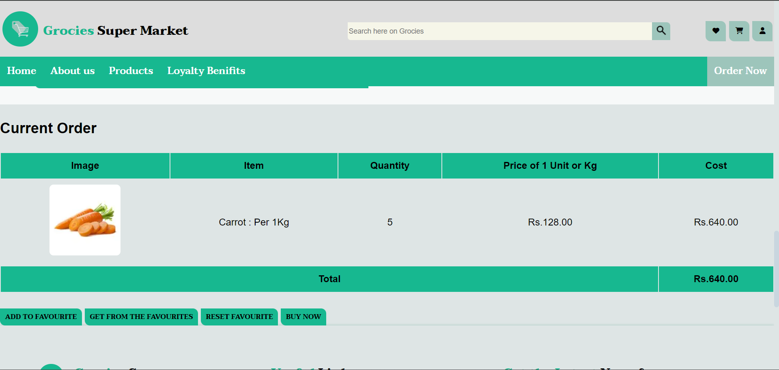
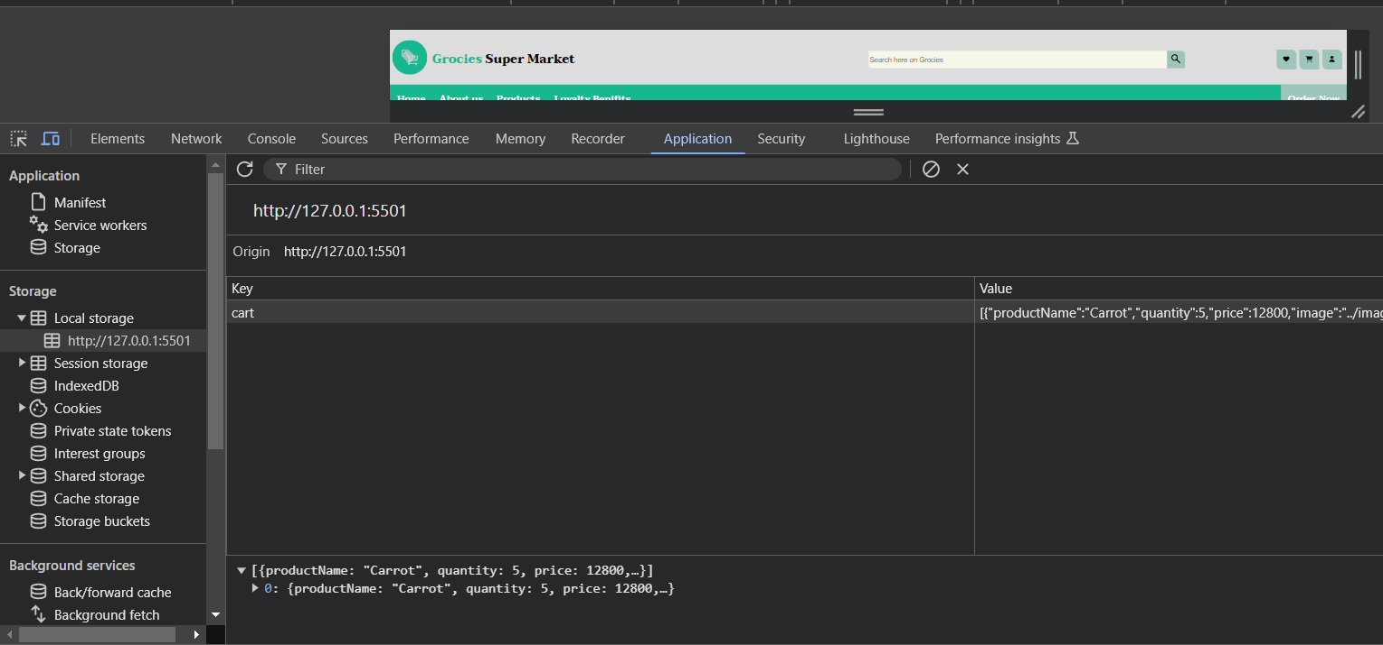

Image reference 2

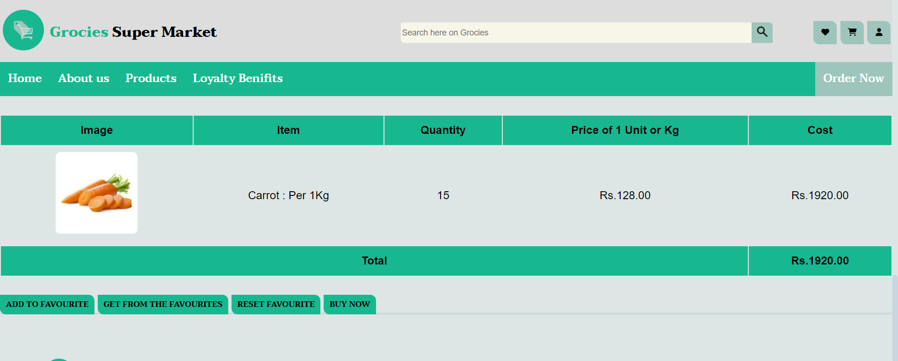
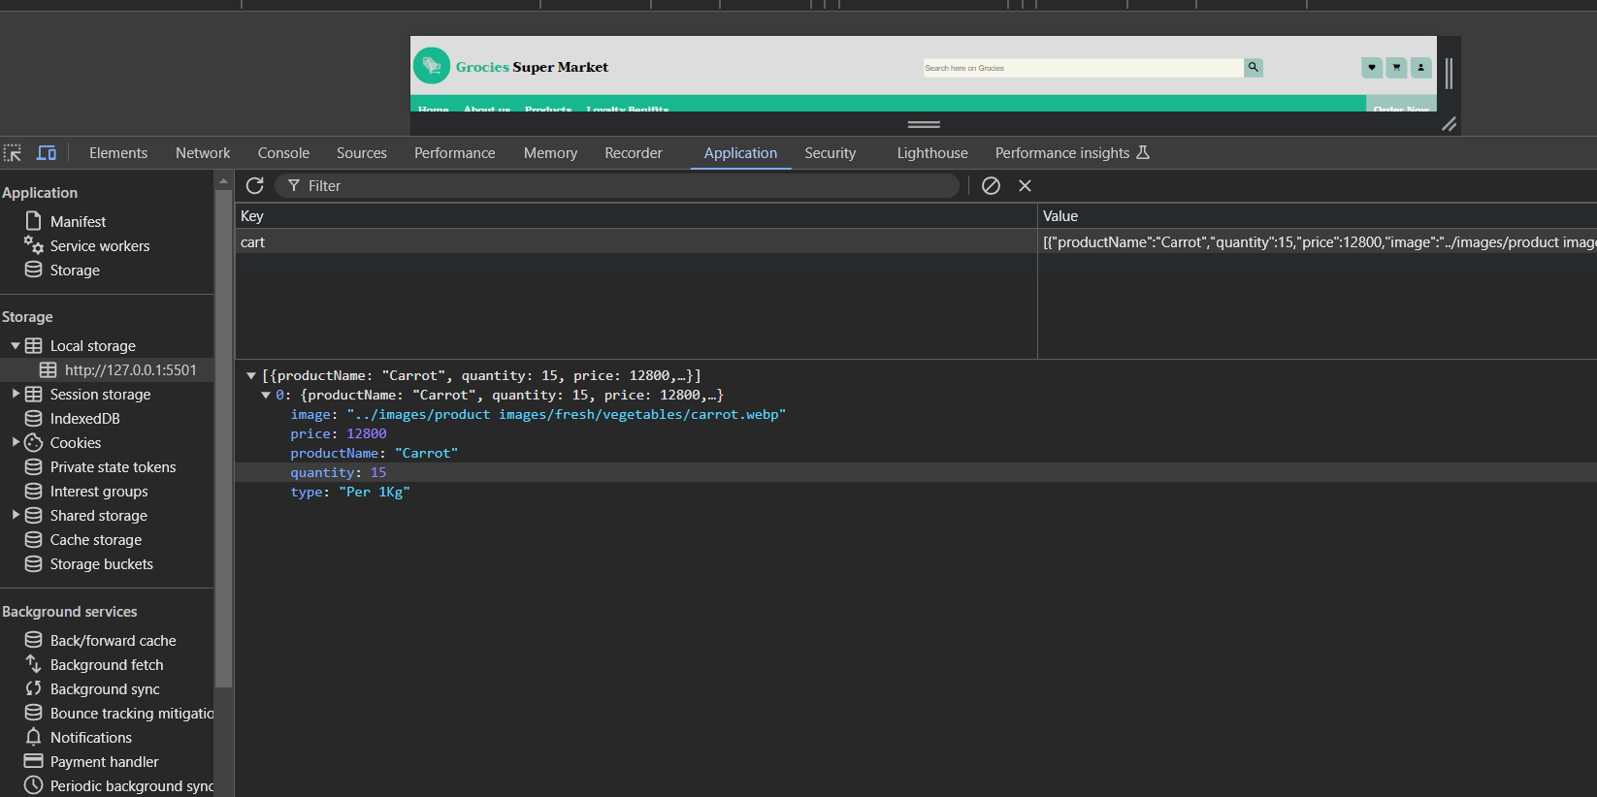

Image Reference 3

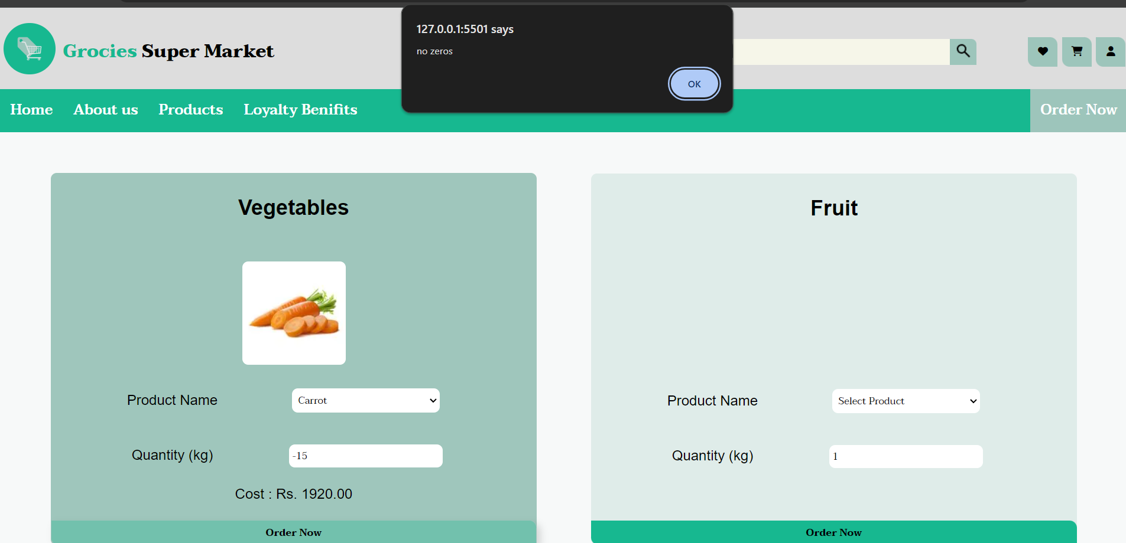
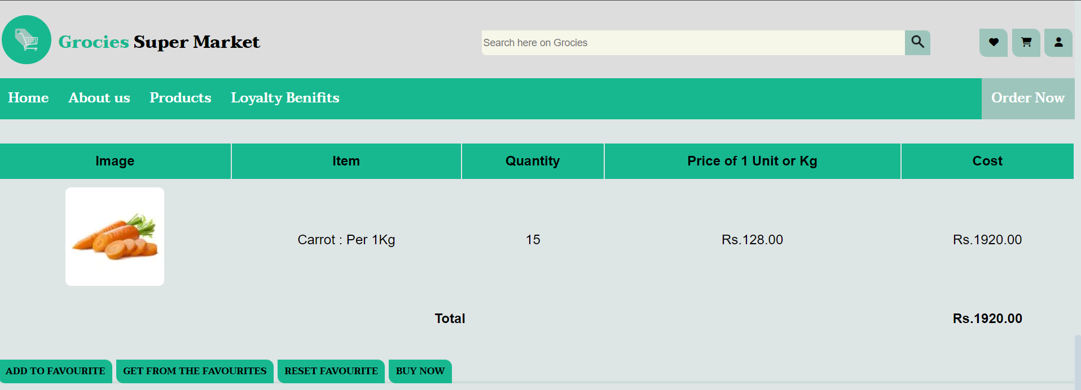

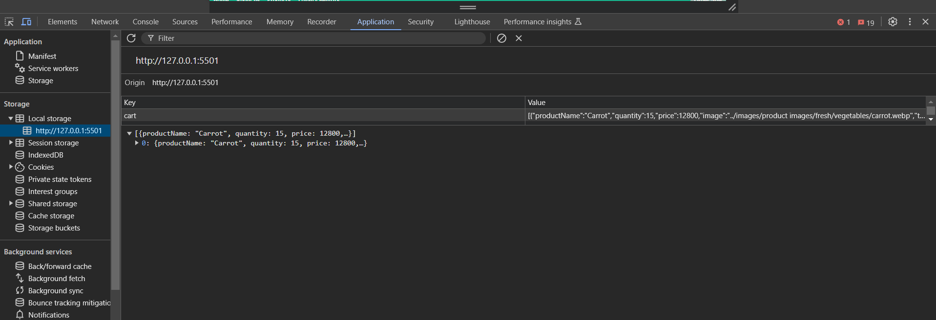

Image Reference 4

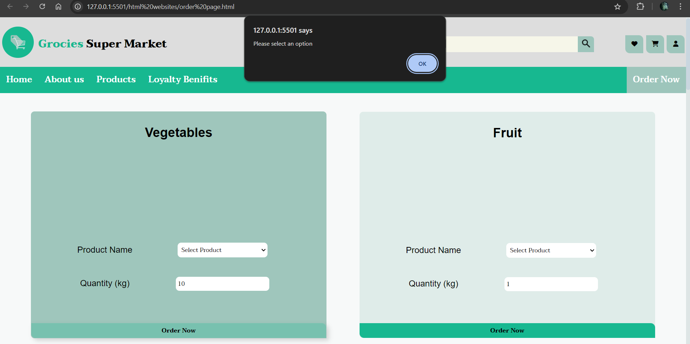
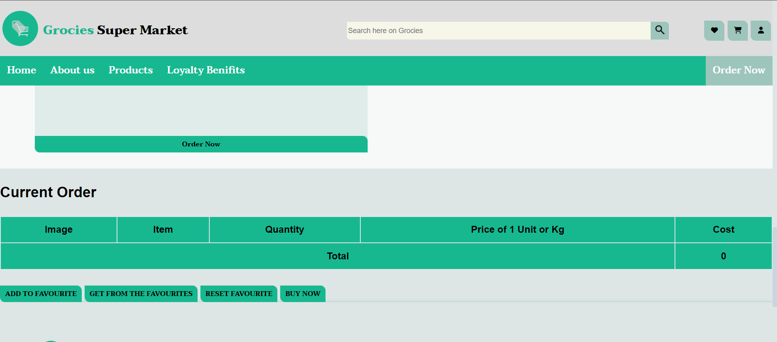

Image Reference 5

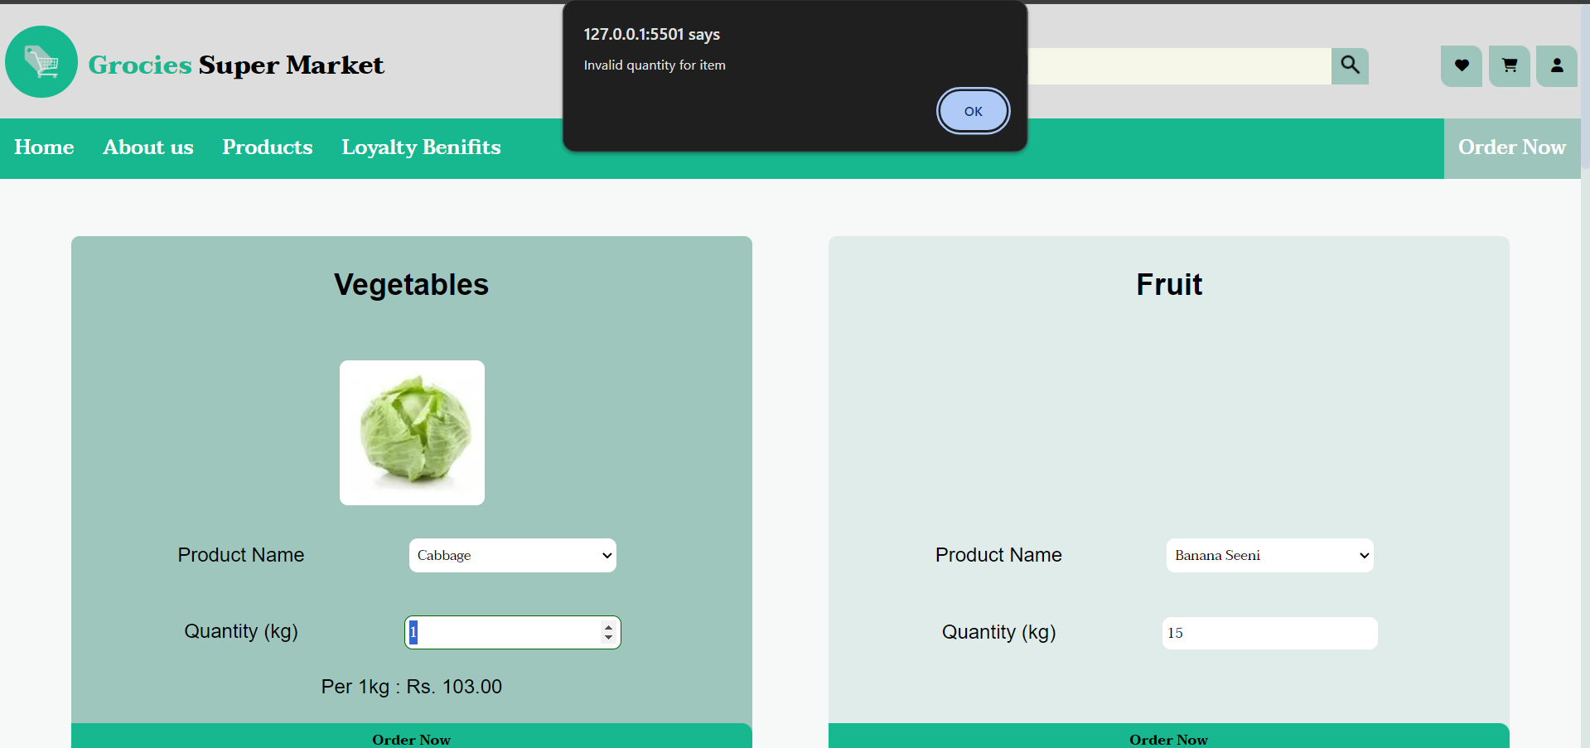

Image Reference 6

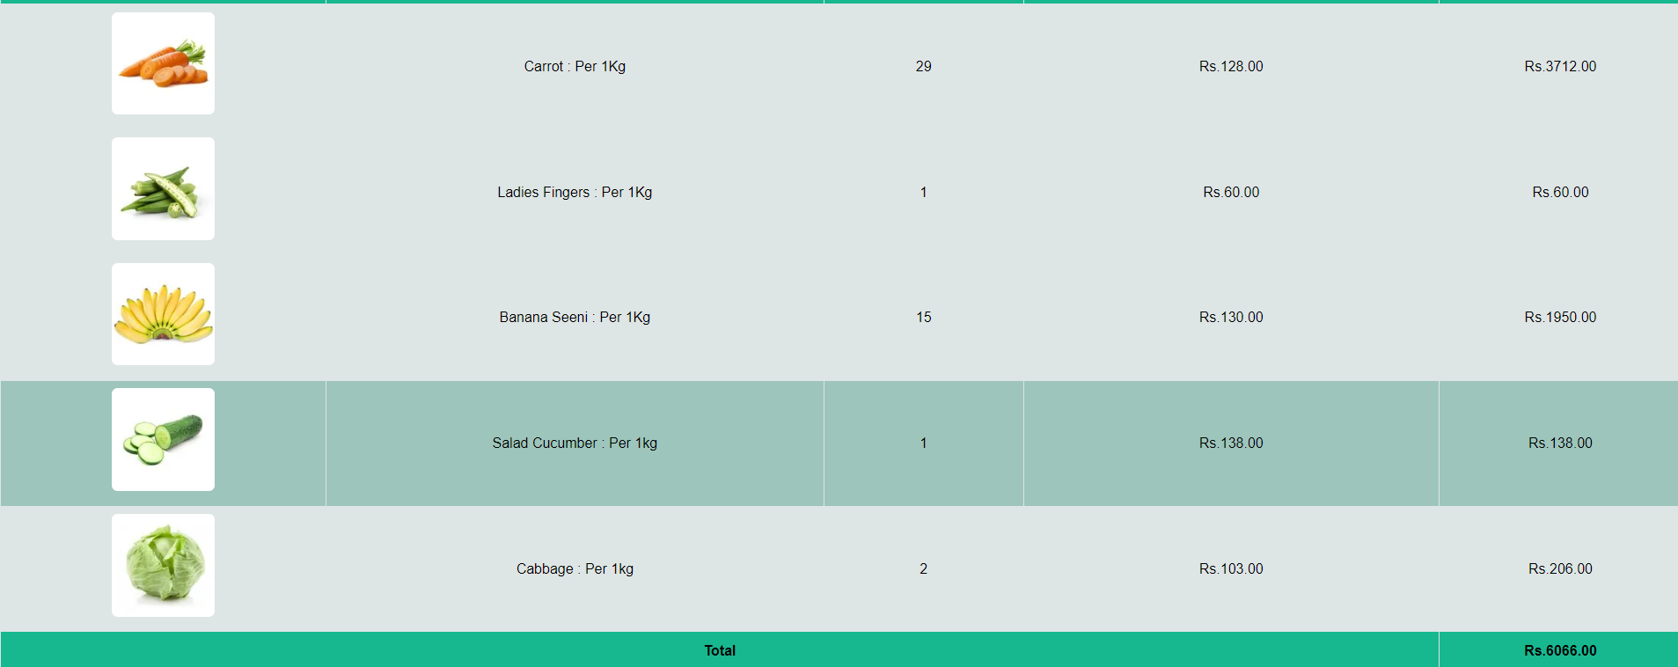
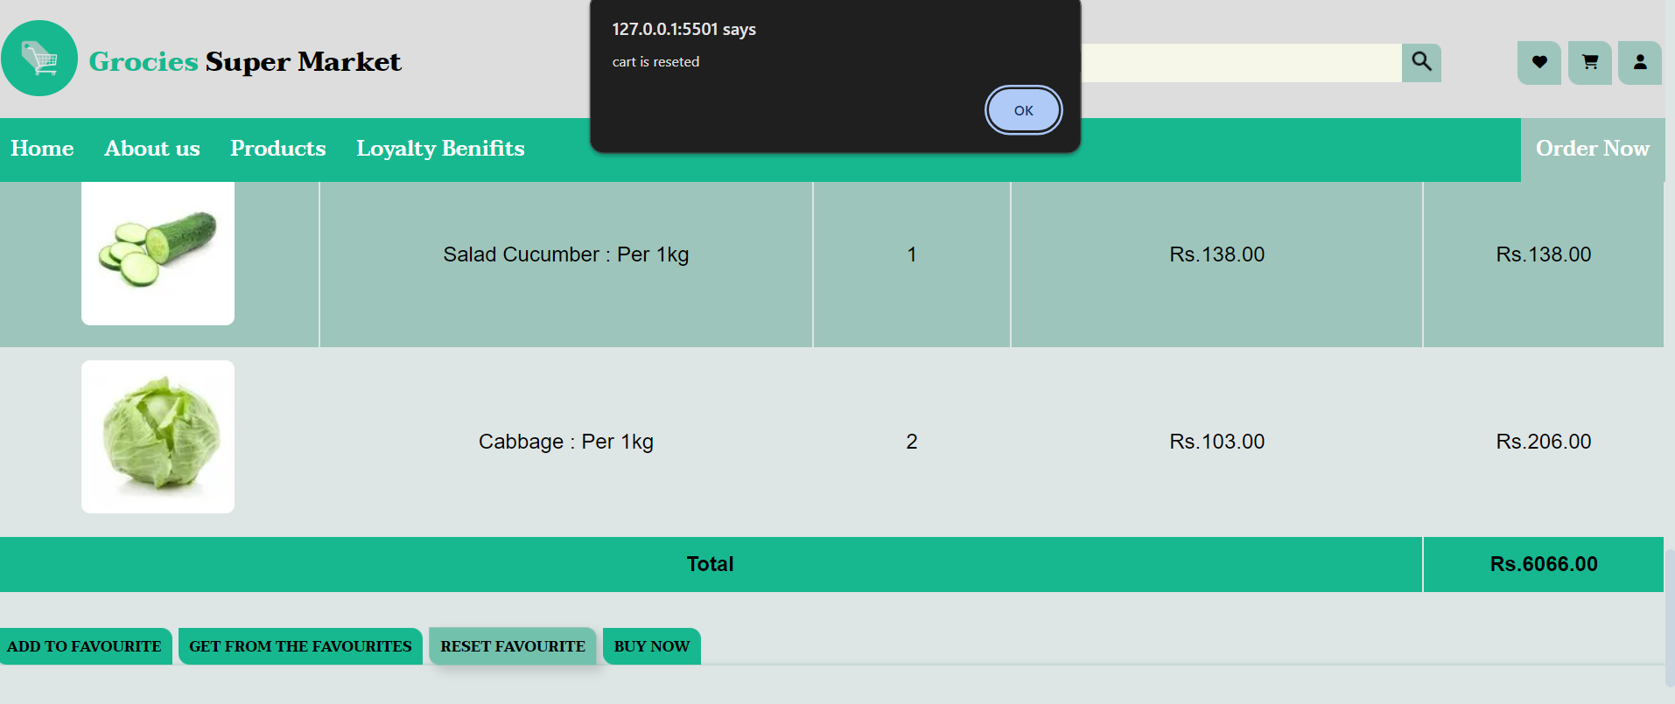
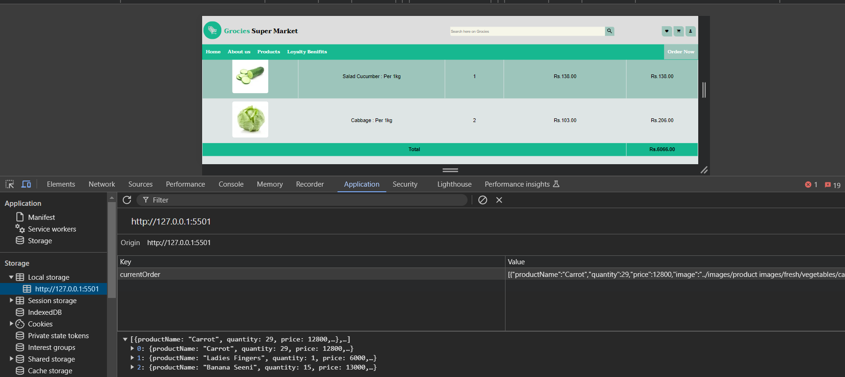

Image reference 7

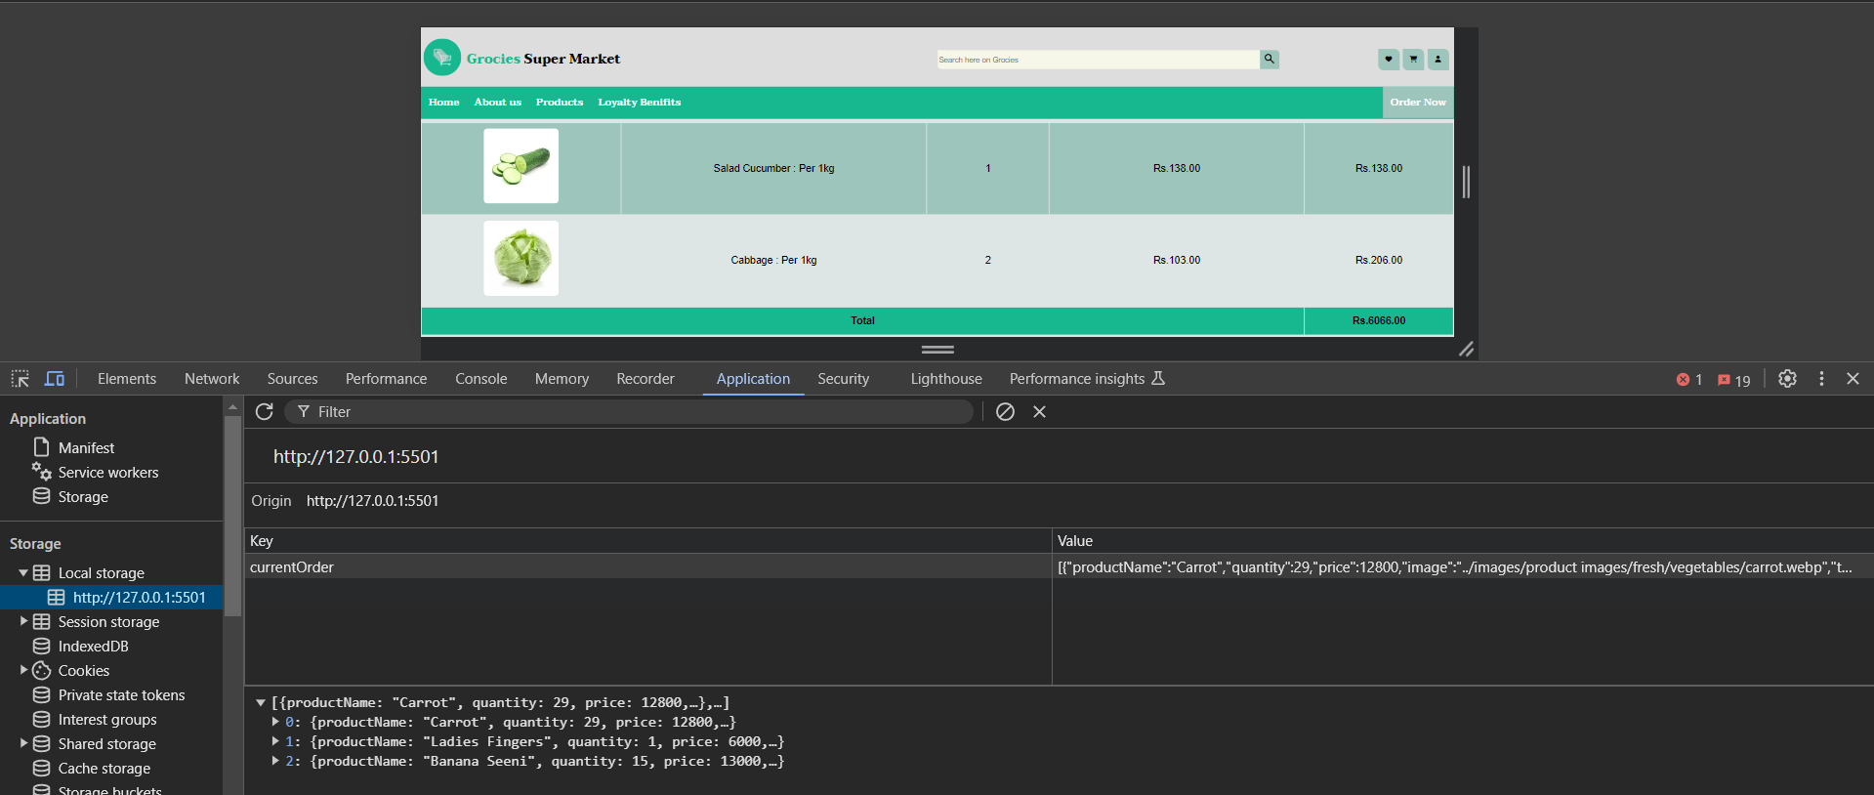
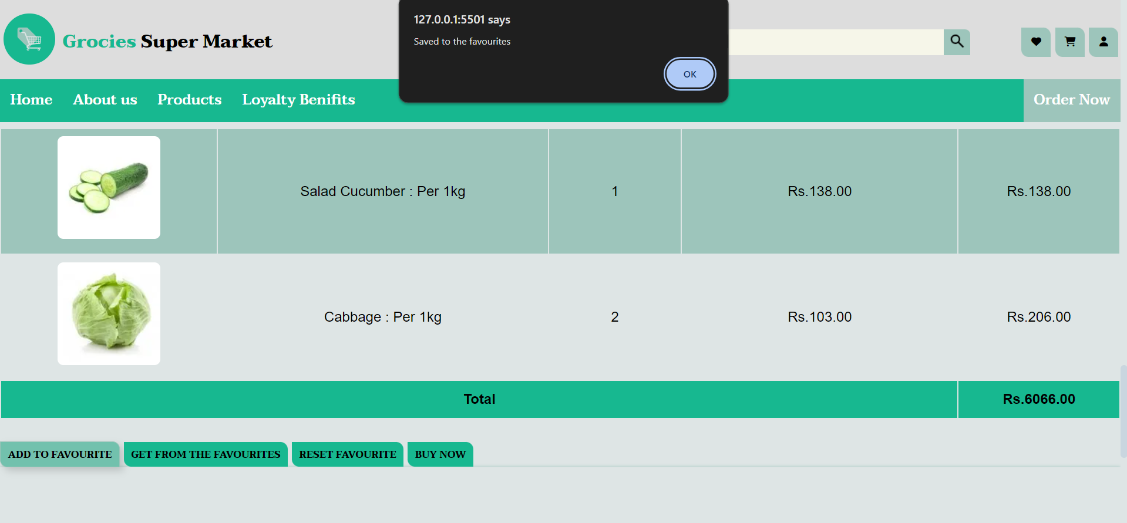
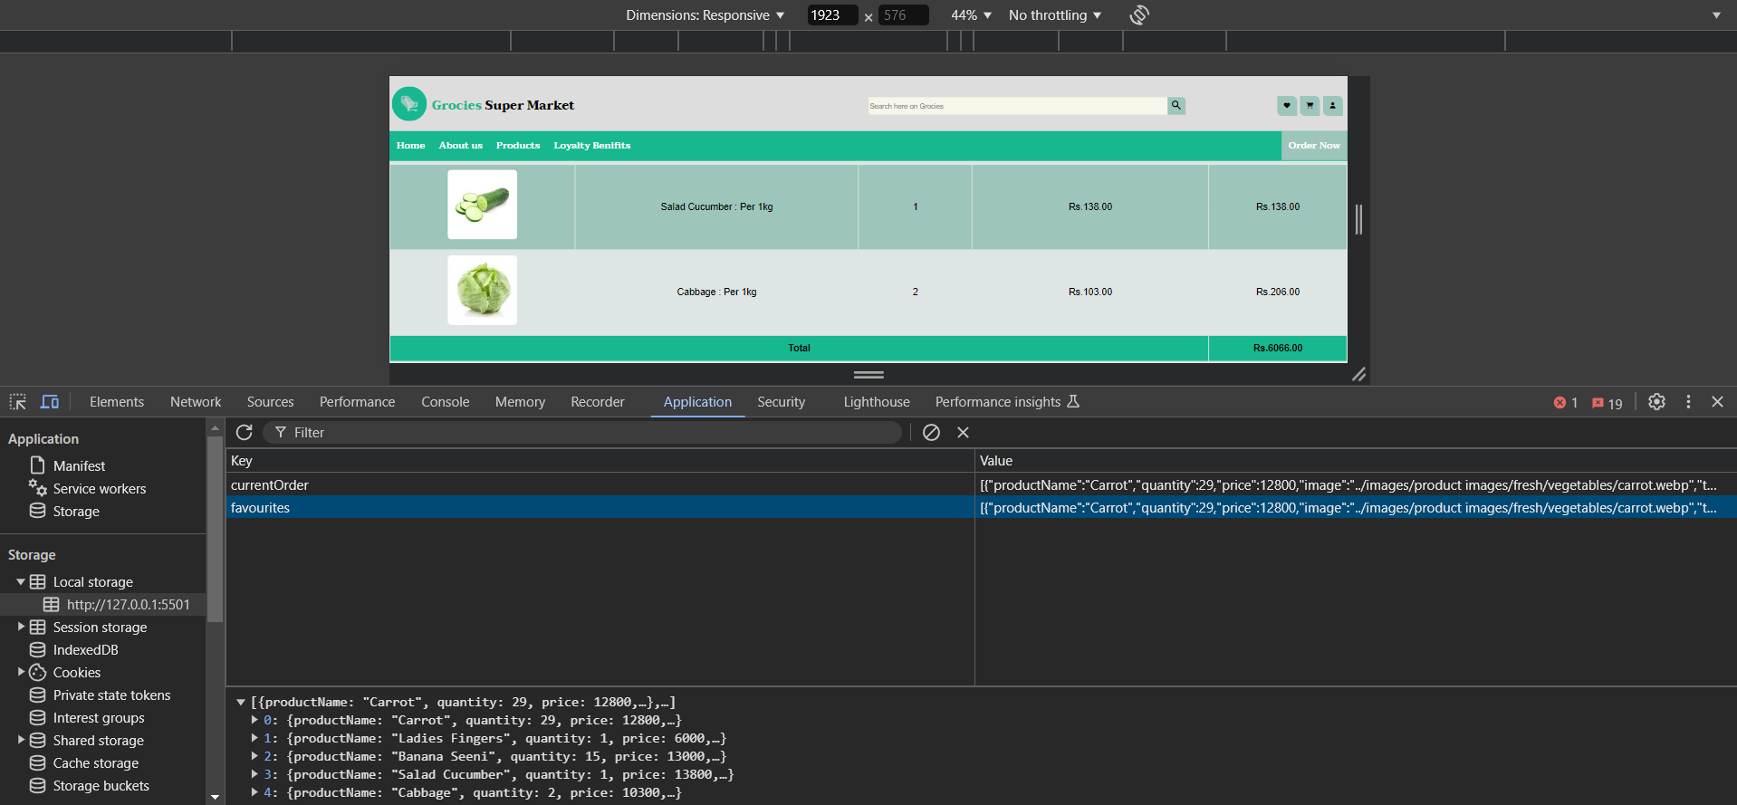

Image Reference 8

 |  | order page |  |  |  |  |  |  | checkout page

